C
Add arrows to show increase/ decrese in 'nav' as compared to previous day. It should look like the image as shown. |  |  |  | Add Data bars in next column. It should look like the image as shown.
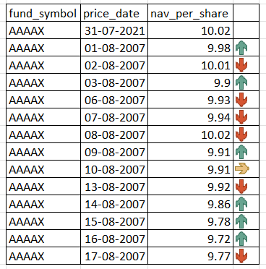
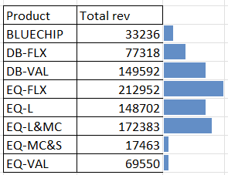
fund_symbol | price_date | nav_per_share
AAAAX | 31/07/2021 | 10.02 |  | Product | Total rev
AAAAX | 02/08/2021 | 9.98 | -1 | BLUECHIP | 33236 | 33236
AAAAX | 03/08/2021 | 10.01 | 1 | DB-FLX | 77318 | 77318
AAAAX | 04/08/2021 | 9.9 | -1 | DB-VAL | 149592 | 149592
AAAAX | 05/08/2021 | 9.93 | 1 | EQ-FLX | 212952 | 212952
AAAAX | 06/08/2021 | 9.94 | 1 | EQ-L | 148702 | 148702
AAAAX | 09/08/2021 | 10.02 | 1 | EQ-L&MC | 172383 | 172383
AAAAX | 10/08/2021 | 9.91 | -1 | EQ-MC&S | 17463 | 17463
AAAAX | 11/08/2021 | 9.91 | 0 | EQ-VAL | 69550 | 69550
AAAAX | 12/08/2021 | 9.92 | 1
AAAAX | 13/08/2021 | 9.86 | -1
AAAAX | 16/08/2021 | 9.78 | -1
AAAAX | 17/08/2021 | 9.72 | -1
AAAAX | 18/08/2021 | 9.77 | 1

